STKO & STPO
STKO (BOM Header ) |  |  | STPO (BOM Item)
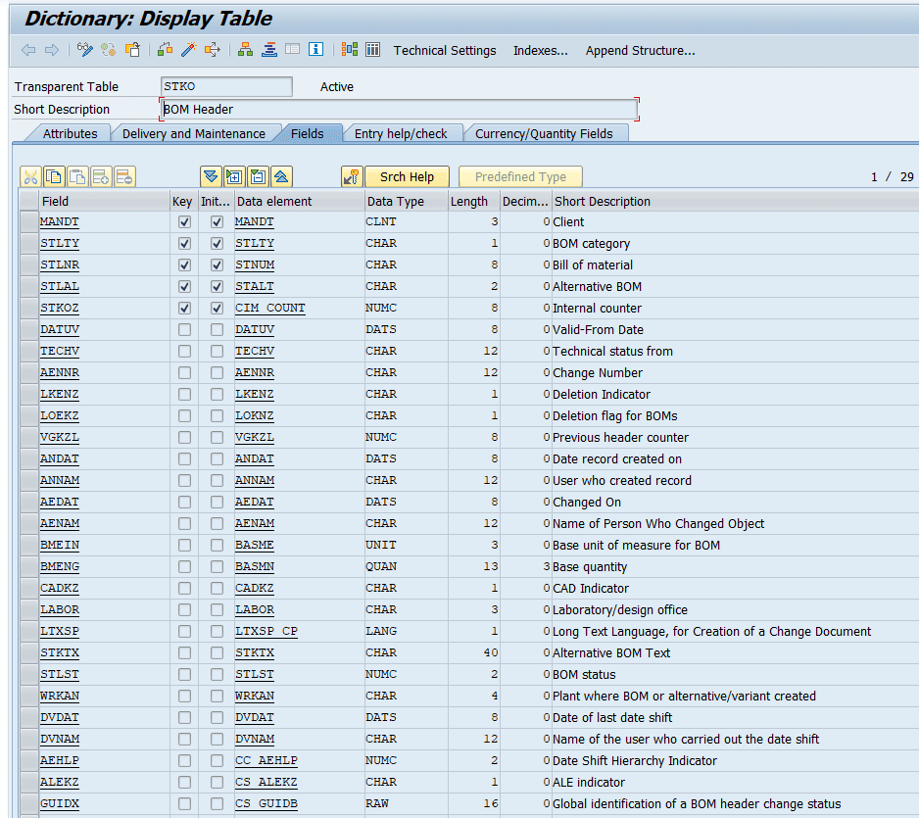
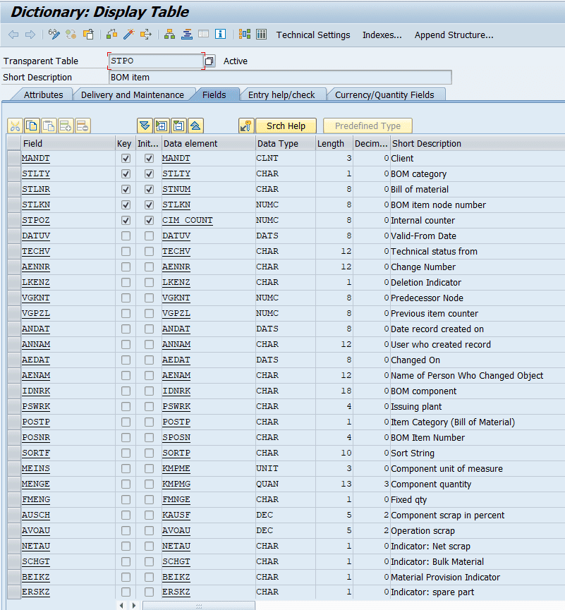

List Of Fields - STKO |  |  | List Of Fields - STPO

Name | Description | Data Type / Length | Name | Description | Data Type / Length

MANDT | Client | CLNT (3) | IDNRK | Component Material Number | CHAR (18)
STLTY | BOM Category (Material, Equipment, Document, etc.) | CHAR (1) | POSNR | Item Number | NUMC (4)
STLNR | Bill of Material Number | CHAR (8) | MENGE | Component Quantity | QUAN (13,3)
STLAL | Alternative BOM | CHAR (2) | MEINS | Base Unit of Measure | UNIT (3)
STKOZ | Internal Counter | NUMC (8) | DATUV | Valid-From Date | DATS (8)
DATUV | Valid-From Date | DATS (8) | AENNR | Change Number | CHAR (12)
TECHV | Technical Status | CHAR (12) | LOEKZ | Deletion Indicator | CHAR (1)
AENNR | Change Number (linked to AENR) | CHAR (12) | SANKA | Item Category | CHAR (1)
LKENZ | Deletion Indicator | CHAR (1) | SORTF | Sort String | CHAR (10)
LOEKZ | Deletion Flag for BOMs | CHAR (1) | ALPGR | Alternative Item Group | CHAR (2)
VGKZL | Previous Header Counter | NUMC (8) | ALPRF | Alternative Item Priority | NUMC (2)
ANDAT | Record Created On | DATS (8) | ALPST | Alternative Item Strategy | CHAR (1)
ANNAM | Created By | CHAR (12) | NFMAT | Follow-Up Material | CHAR (18)
AEDAT | Last Changed On | DATS (8) | REVLV | Revision Level | CHAR (2)
AENAM | Changed By | CHAR (12) | RFORM | Production Resource/Tool | CHAR (18)
BMEIN | Base Unit of Measure | UNIT (3) – linked to T006 | KZKUP | Co-Product Indicator | CHAR (1)
BMENG | Base Quantity | QUAN (13,3) | KZKFG | Configurable Material Indicator | CHAR (1)
CADKZ | CAD Indicator | CHAR (1) | KZKFB | Fixed BOM Indicator | CHAR (1)
LABOR | Laboratory/Design Office | CHAR (3) – linked to T024L | KZKFT | Text Item Indicator | CHAR (1)
LTXSP | Long Text Language | LANG (1) – linked to T002 | KZKFS | Document Item Indicator | CHAR (1)
STKTX | Alternative BOM Text | CHAR (40) | KZKFR | Class Item Indicator | CHAR (1)
STLST | BOM Status | NUMC (2) – linked to T415S | KZKFP | Variable-Size Item Indicator | CHAR (1)
WRKAN | Plant | CHAR (4) – linked to T001W | KZKFN | Non-Stock Item Indicator | CHAR (1)
DVDAT | Date of Last Date Shift | DATS (8) | KZKFE | External Procurement Indicator | CHAR (1)
DVNAM | User Who Shifted Date | CHAR (12) | KZKFL | Stock Item Indicator | CHAR (1)
AEHLP | Date Shift Hierarchy Indicator | NUMC (2) | KZKFO | Operation Item Indicator | CHAR (1)
ALEKZ | ALE Indicator | CHAR (1) | KZKFA | Assembly Indicator | CHAR (1)
GUIDX | Global BOM Header Change ID | RAW (16) | KZKFC | Component Indicator | CHAR (1)
VALID_TO | Valid-To Date | DATS (8) | KZKFD | Document Assignment Indicator | CHAR (1)
ECN_TO | Change Number To | CHAR (12) | KZKFG | Phantom Item Indicator | CHAR (1)
BOM_VERSN | BOM Version | CHAR (4) | KZKFI | Spare Part Indicator | CHAR (1)
VERSNST | BOM Version Status | CHAR (2) | KZKFK | Costing Relevance Indicator | CHAR (1)
VERSNLASTIND | Latest Released BOM Version | CHAR (1)

